UNGC


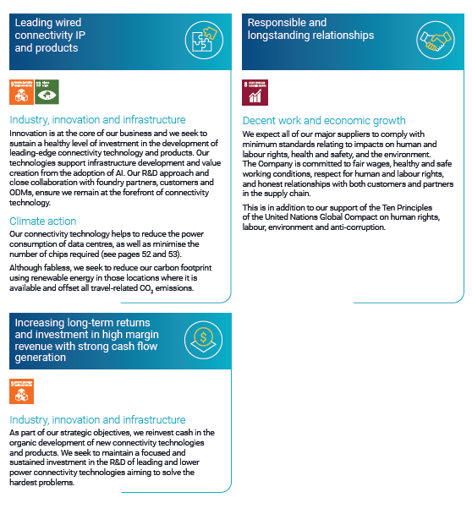

GHG emissions
ESG Data Sheet - Environmental Performance

 | 2023 | 2022 | 2021
In metric tonnes CO2e
Total Scope 1 emissions (natural gas) | 378.7 | 208.86 | 14.18 | For additional information see Environmental Responsibility in our FY 2023 report
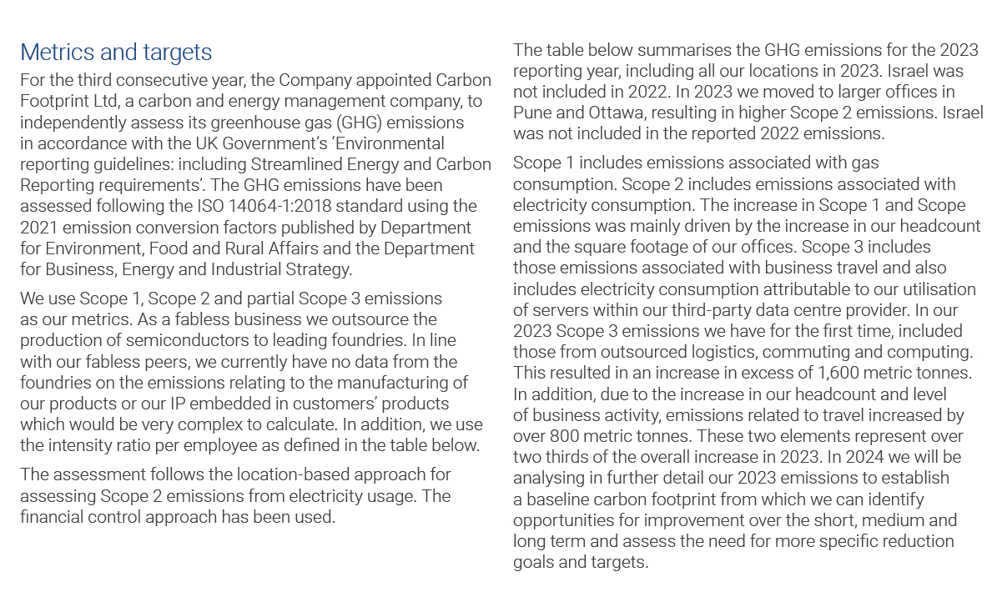
Total Scope 2 emissions (electricity consumption) | 1111.5 | 341.49 | 6.33
Total Scope 3 emissions (transmissions and distribution, non-controlled electricity, hotel stays, homeworkers, well to tank, flights, hire car, taxi and grey fleet travel) | 3452.6 | 601.67 | 45.33
Total gross (Scope 1,2 & 3) location-based emissions | 4942.8 | 1,152.02 | 65.84
Intensity ratios
tCO2e (gross Scope 1,2 & 3) per employee | 5.96 | 1.78 | 0.49
tCO2e (gross Scope 1,2 & 3) per revenue | 15.3 | nm | 0.73
Underlying energy consumption (kWh)
Total global energy consumed | 5,685,827 | 2,618,460 | 285,414
Total UK energy consumed | na | na | 273
UK-based emissions | nm | nm | 0.1%
UK-based energy consumption | nm | nm | 0.1%

Emissions Certificates



